Further DSE assessment
Please answer all the questions with either a Yes or No from the drop-down menu in column B, no question should be unanswered.
 | Answer Yes or No | Advice
Display screen
Is your screen directly in front of you?
Is your line of sight (when looking straight ahead) level with the tool bar at the top of the screen? |  | Desk tops; lift the screen up by placing it on a sturdy box or a pile of books
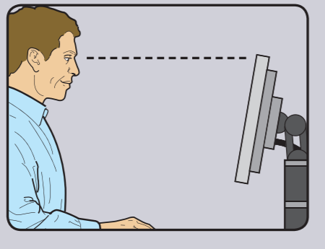 |  | Laptops; You may need to use a laptop stand, separate keyboard and mouse
 |  | Tablets / Note books If at all possible these should be avoided. However, if you are required to use these then you should endeavour to use a compatible separate screen, keyboard and mouse
 |  | Mobile phones; We would strongly advise that mobile phones are NOT used for DSE work
Is the text size comfortable for you to read? |  | Make sure the screen is clean
 |  | You may need to adjust your software settings
 |  | You may need to adjust the brightness of your screen
Is the image stable, free from flicker and jitter? |  | Try using different screen colours to reduce flicker, i.e. darker background and lighter text
 |  | Find more information on how to adjust and achieve an improved display on your monitor
Is the screen specification suitable for its intended use? |  | As an example, intensive graphic work, or requiring fine attention to small details, may require a larger display screen
Is the screen free from glare and reflections? |  | Place a mirror in front of the screen to see where the reflections are coming from. You may need to move your screen to reduce direct reflection or glare hitting your screen or close curtains or blinds to help reduce the reflection interference. Consider altering your screen settings: screens that use dark characters on a light background are less prone to glare and reflection.
Mouse
Is the mouse separate from the screen? |  | A separate mouse is desirable and would help to reduce any upper limb ergonomic discomfort associated with DSE work
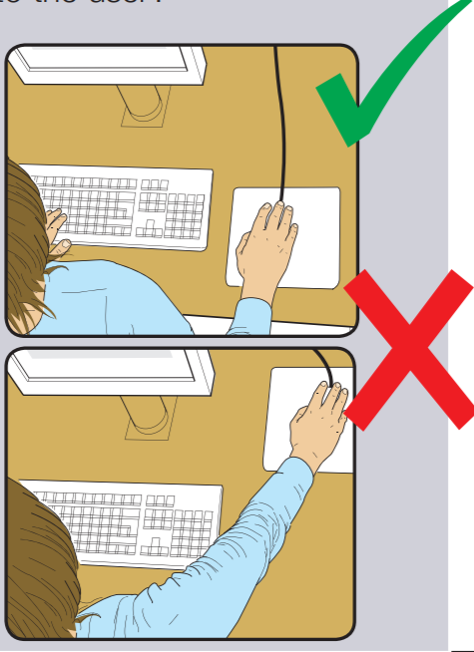
 |  | You should place your mouse as close as possible to you and the keyboard to prevent over-extending your arm.
 |  | • try not to rest your hand on the mouse when not using it • relax your arm and keep your wrist straight
Does your mouse work smoothly without forcing it? |  | • clean the mouse trackball • clean the surface you are using your mouse on or your mouse mat pad
Is the mouse pointer accurate and at your desired speed? |  | You may need to adjust your mouse settings to achieve this
Keyboard
Is the keyboard separate from the screen? |  | This is desirable as it helps to keep your wrist in the correct position, and would help reduce any upper limb ergonomic discomfort associated with DSE work. Please avoid: • bending your hand up at the wrist • overstretching your fingers • hitting the keys too hard
Are the keyboard characters visible? |  | Keyboards and the characters on each key should be kept clean and be visible
Work surface
Is the surface free from glare and reflection? |  | You may need to consider putting a table cloth or covering on a high gloss or varnished surface to reduce glare or reflection
Is your work surface deep enough for you to position your screen (or laptop) at an arm’s length when you are seated in the correct position?
Can you position yourself close to the work surface in order to type? |  | For optimal ergonimic position your elbows should be positioned close to your body and vertically under your shoulders. Your wrist should be at the edge of the table with your hands and fingers positioned over the keyboard.
Chair
Is your chair at a height that allows your elbows to be slightly above the height of your desk when using the keyboard? |  | If you have an adjustable chair please alter your setting to adjust the height If your chair is not adjustable place a cushion on the seat to raise your height
Does the back rest of the chair support you in the curve of your spine and allow you to sit in an upright position? |  | If you have an adjustable chair please alter the lumbar support If you chair is not adjustable please roll a towel up and place this in the curve of your spine before leaning back into the chair to create a lumbar support
Can you sit back in the chair using the seat base fully, without feeling any pressure behind the knees? |  | Ideally, you should be able to fit a clenched fist in the gap between the edge of the chair and the back of the knee.
With the seat height adjusted correctly, can you place your feet firmly on the floor without compressing the underside of your thighs? |  | If not, you may need a foot stool - if not available, you may need to improvise with a sturdy box or pile of books
Musculoskeletal health
Are you experiencing pain in your arms, neck or back when you work? |  | Break up long spells of DSE work with rest breaks or changes in activity (at least five minutes every hour)
 |  | Do some exercises as per the guidance page
 |  | Try to stand during phone and video calls where possible, to help alter your posture throughout the day
Total Score: | 0

SCORE CHART | EMPLOYEE ADVICE |  | MANAGER ADVICE
Score 0-6 Your DSE set up appears to be adequate, but please follow the employee advice. | Revisit this assessment on a 4 weekly basis to assess if there have been any changes • Remember to do your exercises and take regular breaks • Please refer to the link below for HR Support Home-working and wellbeing guidance |  | Keep in regular contact with your employee and encourage them to contact you
 | For further advice follow link to HR Support Home-working and wellbeing guidance for staff
Score 7 - 27 Your DSE set up needs to be improved, but please follow the employee advice . | • after making possible adjustment as suggested in the advice section, repeat this DSE assessment to see if your score has improved • Once this is completed, and if your score remains in the yellow category please contact your line manager immediately via email with this spreadsheet attached for discussion |  | The following could be considered; •arrange for the employee to come in to work to collect their office equipment •office equipment being sent to the employee's home address •office equipment to be purchased and sent to the employee if possible • use the HSE check list for workload and pressure discussion:
 |  |  | https://www.hse.gov.uk/stress/assets/docs/stress-talking-toolkit.pdf
 |  |  | • look at reducing the employee's working hours, if possible • monitor and keep reduction of hours in place until equipment arrives or symptoms ease
 |  |  | For further advice follow link to HR Support Home-working and wellbeing guidance for staff
 |  |  | • repeat the DSE assessment process • if after making the changes advised above, symptoms persit,refer to Occupational Health for review and further advice
 |  |  | https://occupationalhealth.admin.ox.ac.uk/referral-service
Score 28 - 38 This result has identified that there are significant issues that need to be resolved. Take further action by following the employee advice. | • go through the DSE assessment again to see if you can make the advised changes • Once this is completed please contact your line manager immediately via email with this spreadsheet attached for discussion • do your exercises and take regular breaks |  | The following could be considered; •arrange for the employee to come in to work to collect their office equipment •office equipment being sent to the employee's home address •office equipment to be purchased and sent to the employee if possible • use the HSE check list for workload and pressure discussion:
 |  |  | https://www.hse.gov.uk/stress/assets/docs/stress-talking-toolkit.pdf
 |  |  | • look at reducing the employee's working hours, if possible • monitor and keep reduction of hours in place until equipment arrives or symptoms ease
 |  |  | For further advice follow link to HR Support Home-working and wellbeing guidance for staff
 |  |  | • repeat the DSE assessment process • if after making the changes advised above, symptoms persit,refer to Occupational Health for review and further advice
 |  |  | https://occupationalhealth.admin.ox.ac.uk/referral-service

